Sheet1
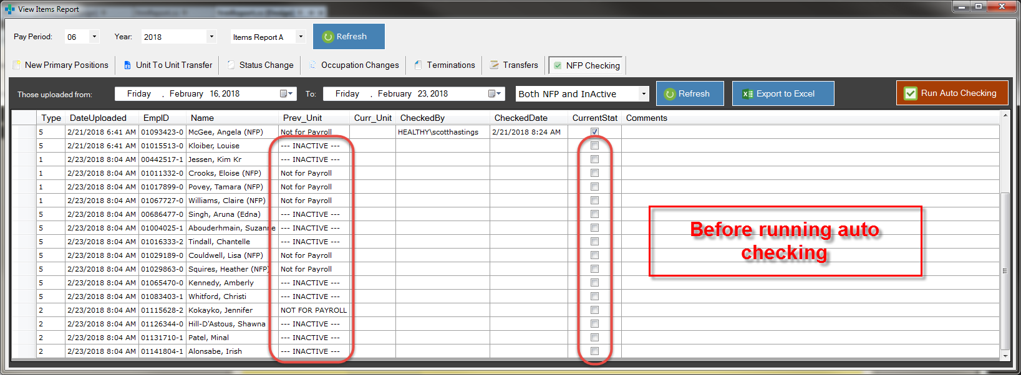
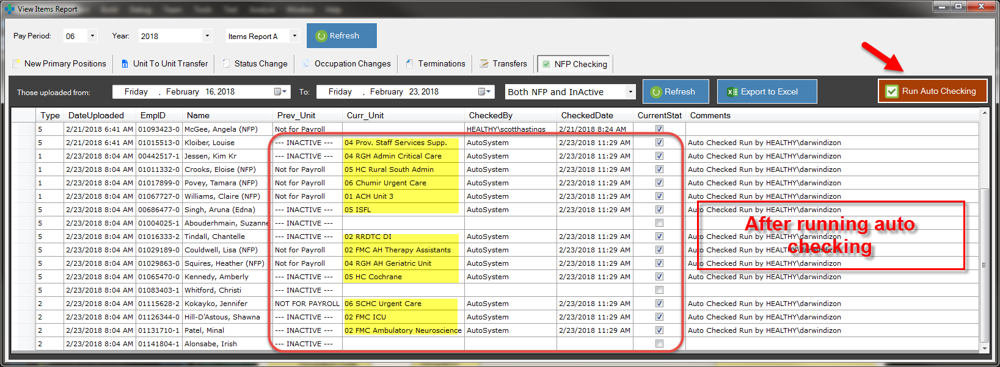
During FTP of File 1 and 2
All currently "Inactive" and NFP will be added on the list for checking
Anyone can click on "Run Auto Checking" after we are done with Positions or Items Report
The App will go through all the unchecked ones and it will verify if those employees' Pay Info where flipped from "Inactive"/NFP to an ESP Unit. If YES, it will update the list.
This will save us time in checking one by one which where flipped and which were not. We can now just checked the ones that were left unchecked on the list.

